Start Here
Daily Order Position Report and Send Process
Programmed by: Andrew Davison
2017-03-07

 | Note: This process creates order position reports for both brands and sends them out through a Visual Basic macro application for Excel

 | High Level Process Map:
 | Get Data From SAP ->Load Into This Spreadsheet->Hit Button->Check Sent Reports in Outlook

 | Detailed Instructions:
 | 1 | Run Tcode ZSBO_0004 in SAP
 | 2 | Set appropriate date range
 | 3 | Use sales org 0057 to 0058 distribution channel 57 to 58
 |  | -After report is executed, call the following variant: /VBADATABSE Report for VBA code
 | 4 | Export to Excel (could save in an SAP download folder on desktop)
 | 5 | Click on upper left corner of spreadsheet (shown below) and Copy

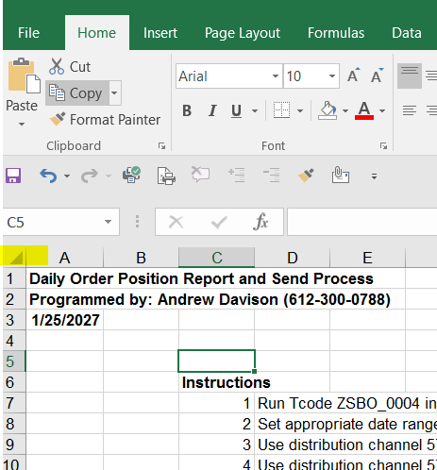

 | 6 | In this workboot, click on the "Paste Data" tab and click on the upper left corner (similar to previous step)
 | 7 | Hit the Run and Send Order Position Reports Button below
Run Macro:
Prepare and Send Managerial Daily Order Position Reports

 | 8 | Copies of the mailing will be held in your Outlook sent items for reference

